1. Title Page
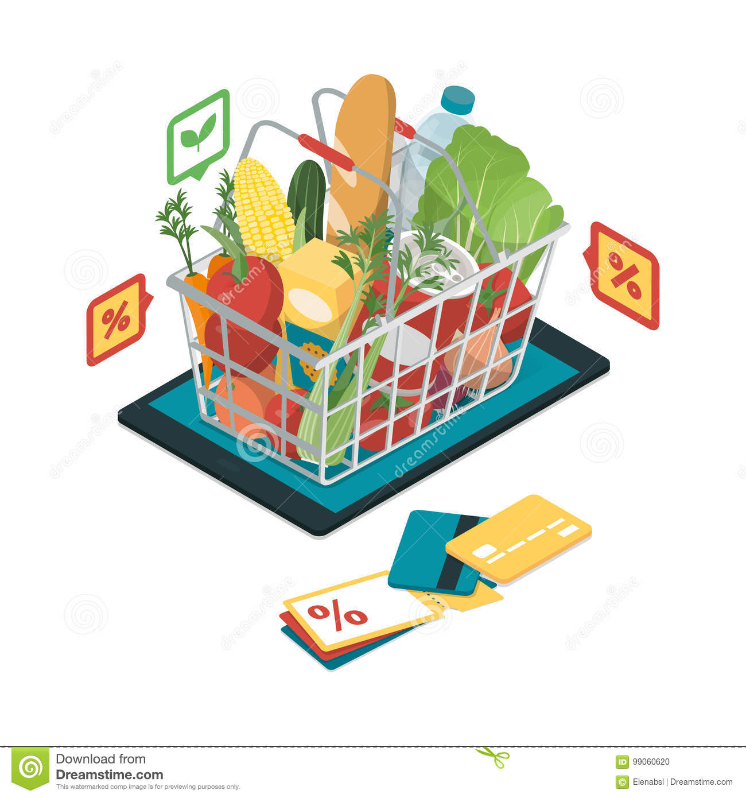
[Instacart Grocery Basket] Analysis]

Project Name: Instacart Grocery Basket Analysis
Date: 09.03.2023
Analyst Name: Ishita Bhasin

Contents:
Population Flow
Consistency checks
Wrangling steps
Column derivations
Visualizations
Recommendations

Data Source & Citations:

"The Instacart Online Grocery Shopping Dataset 2017"
Customer Dataset
Data Dictionary

Citation: “The Instacart Online Grocery Shopping Dataset 2017"

Accessed from https://www.instacart.com/datasets/grocery-shopping-2017 on <2022-2023>

2. Population Flow
 |  | Title page

Population flow
Exclusion flag
Condition: max_order < 5
Obervations to be removed: First Name & Surnam
Final total count of order_products_all: 32404859

Orders_products_combined
Orders_products_merged
Orders_products_all

Total:
Total:
Total: (32404859,32)
(32434489,12) | (32404859,17)

1.) The grey boxes in the first row of the population flow represent the original data sets as they were when you downloaded them. In the Total fields you need to add the count of the rows when you imported the data set into Jupyter.
2.) The second row of boxes (coloured) represents the data sets after you manipulated them, e.g., removed missing values and duplicates. In the Total fields you need to add the count of the rows after conducting these operations. This offers a visual oveview of how the data flows throughout the data consistency checks.
3.) The third row, where also the arrows are coloured, represents the merges you performed between the datasets. In the Total fields you need to add the count of the rows in the merged datasets, so that you end up with the final dataset (in the red box). Keep in mind the final dataset should be without exclusions (based on the exclusion flag).

3. Consistency checks
 |  |  |  | Title page

Consistency checks

Dataset | Missing values | Missing values treatment | Duplicates
orders | 206,209 missing vales in 'days_since_prior_order' | dropped from clean data. New variable | 0
products | 16 missing values in 'product_name' | dropped from clean data. | 5
orders_products_prior | No Missing values |  | 0
customers | No Missing values |  | 0

4. Wrangling steps
 |  |  |  | Title page

Wrangling steps

Columns dropped | Columns renamed | Columns' type changed | Comment/Reason
eval_set in orders data |  |  | Info of the column was not relevant for analysis
First Name & Surmane in Customers data |  |  | The info was PII and sensitive
 | "order_hour_of_day" to "time_of_order"
 | "order_dow" changed to "orders_day_of_week"
 |  | order_id to string from int | The column not used for conducting descriptive analysis
 |  | user_id to string from int | The column not used for conducting descriptive analysis
 | "GENDER" |  | Changed to lowercase
 | "STATE" |  | Changed to lowercase
 | "AGE" |  | Changed to lowercase
 | "n_dependents" |  | Changed to "dependents"
 | "fam_status" |  | Changed to "family_status"

5. Column derivations
 |  |  |  | Title page
In this tab you should add tables below that the frequences of flags/label variables that you produced after deriving them. NB: don't do this for continuous variables, only for flags.

Column derivations and aggregations

Dataset | New column | Column/s it was derived from | Conditions
orders_products_merged.pkl | price-_range_loc | prices | 'Low-range product' = <=5 'Mid-range product' >5 & <=15 'High-range' > 15 in $
orders_products_merged.pkl | busiest_day | orders_day_of_week | 'Busiest day' = 0 'Regularly busy' = else. 'Least busy' = 4
orders_products_merged.pkl | busiest_days | orders_day_of_week | 'two busiest days' = 0,1 'Two slowest days' = 3,4 else: 'Regularly busy days'
orders_products_merged.pkl | busiest_period_of_day | order_hour_of_day | 'Most orders' = >=9 & <=17 'Fewest Orders' = <=6 else: 'Average Orders'

orders_products_merged_updated.pkl | loyalty flag (max_order) | Grouped by 'user_id' + aggregated Max values from order_number | 'Low spender' = <10 'High spender' = >=10
orders_products_merged_updated.pkl | spending_flag(avg_price) | Grouped by 'user_id' + aggregated Max values from prices | 'Non-frequent customer' = >20 'Regular customer' = >10 & <=20 'Frequent customer' = <=10
orders_products_merged_updated.pkl | order_frequency_flag | Grouped by 'user_id' + aggregated by media of days_since_prior_order | 'Non-frequent customer' = >20 'Regular customer' = >10 & <=20 'Frequent customer' = <=10

orders_products_all.pkl | region | state | 'Northeast' : 'Maine', 'New Hampshire', 'Vermont', 'Massachusetts', 'Rhode Island', 'Connecticut', 'New York', 'Pennsylvania', 'New Jersey 'Midwest' : 'Wisconsin', 'Michigan', 'Illinois', 'Indiana', 'Ohio', 'North Dakota', 'South Dakota', 'Nebraska', 'Kansas', 'Minnesota', 'Iowa', 'Missouri' 'South' : 'Delaware', 'Maryland', 'District of Columbia', 'Virginia', 'West Virginia', 'North Carolina', 'South Carolina', 'Georgia', 'Florida', 'Kentucky', 'Tennessee', 'Mississippi', 'Alabama', 'Oklahoma', 'Texas', 'Arkansas', 'Louisiana' 'West' : 'Idaho', 'Montana', 'Wyoming', 'Nevada', 'Utah', 'Colorado', 'Arizona', 'New Mexico', 'Alaska', 'Washington', 'Oregon', 'California', 'Hawaii'
orders_products_all.pkl | exclusion flag | Max_order | if Max_order <5 = 'Low-activity' else 'High-activity'
high_activity_cstmrs_orders.pkl | profile | Columns: age, income, department_id, number_dependents, family_status & order_hour_of_day

6. Visualizations
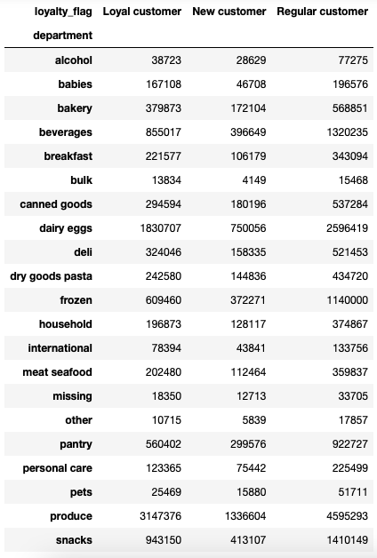
 |  |  | Title page

Visualisations

In this tab you should include all the visualtions from Exercises 4.9 and 4.10, alongside the questions from the project brief that they answer. Include any commentary on the relationship between different variables.

 | The sales team needs to know what the busiest days of the week and hours of the day are (i.e., the days and times with the most orders) in order to schedule ads at times when there are fewer orders.

 | Findings:
 |  | Friday, Saturday, Sunday (weekends 6,0,1) are the busiest days of the week.

 |  | 10:00 am - 3:00 pm are the busiest time of day for placing orders, with a sharp decline between 6:00 pm - 8:00 am the following day

 |  | Scheduling Ads for weekends may produce even more Friday- Sunday traffic. Team can also consider focusing on driving up advertizing during less busy times & days of the week


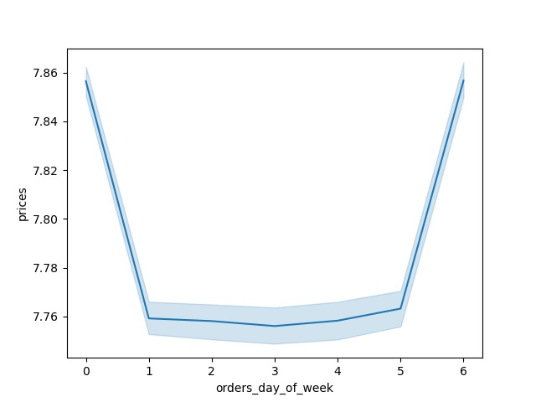
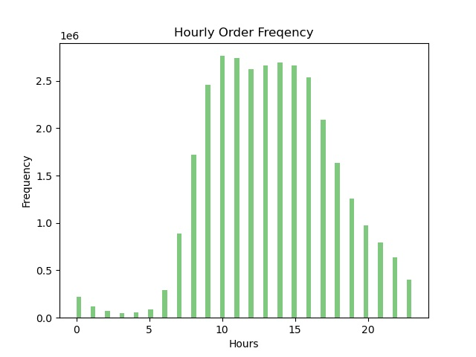
Spending Habits by Day of Week

The sales team also wants to know whether there are particular times of the day when people spend the most money as this might inform the type of products they advertise at these times.

 | Findings:
 |  | High frequency orders with low expenditure are placed between 9:00 am - 5:00 pm
 |  | Low frequency orders with high expenditure are placed between 6:00 am - 8:00 am
 |  | There are 2 peak shopping times during the day, 12:00 pm & 9:00 pm *Need to inquire about products advertized at these times*
 |  | Based on Instacart customers order time habits:
 |  | Early Birds typically order between 5:00 am - 8:00 am
 |  | Regular customers typically order between 9:00 am - 11:00 pm
 |  | Night Owls typically order between 12:00 am - 4:00 am
 |  | The majority of orders come from Regular customers making up over 80% of all Instacart orders

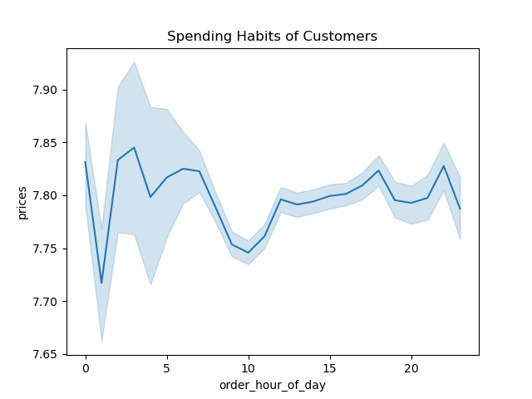
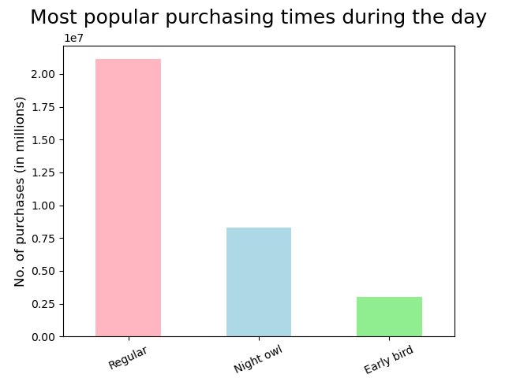

 | Instacart has a lot of products with different price tags. Marketing and sales want to use simpler price range groupings to help direct their efforts.

 | Findings: Products were categorized into 3 different price groups: Low-range, Mid-range & High-range

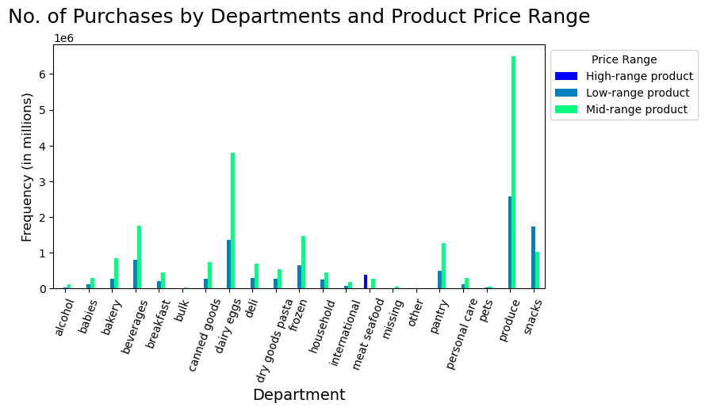
 |  |  |  | Key Findings The majority of products fall within the medium or low-range product groups. - Meat/seafood has the highest proportion of high-range products - Produce and dairy/eggs have the highest proportion of mid-range products. - Produce, snacks, and dairy/eggs have the highest proportion of low-range products. Meat/seafood has no mid-range products. Snacks is the only department with more low-range products than medium or high.

 | Price grouping conditions <= 5 : 'Low-range product' (> 5) & ( <= 15) : 'Mid-range product' > 15: 'High range' else: 'Not enough data'

Are there certain types of products that are more popular than others? The marketing and sales teams want to know which departments have the highest frequency of product orders

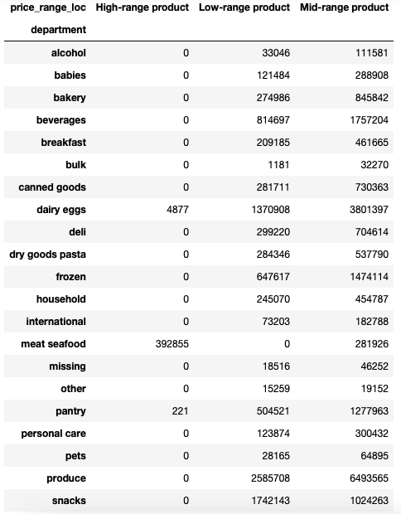

Instacart's most popular categories include
Produce, Dairy & Eggs, Snacks & Beverages
Instacart's most expensive category is Meat & Seafood, all products in this department are either
Mid-range or High-range priced items

 | Are there differences in ordering habits based on a customer’s loyalty status?

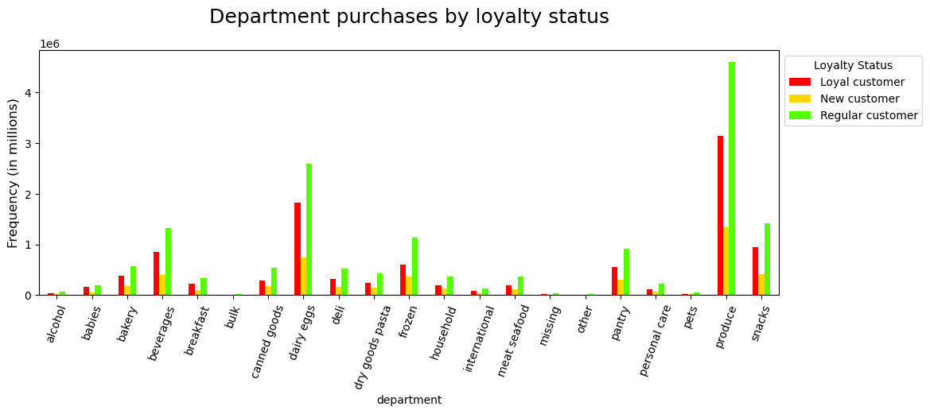
Regular customers order the most items per department
with the majority of items coming from Produce, then Dairy & Eggs and finally snacks
Loyal customers order 2nd most by department
Followed by New customers ordering the least amount of items by department

Are there differences in ordering habits based on a customer’s region ?

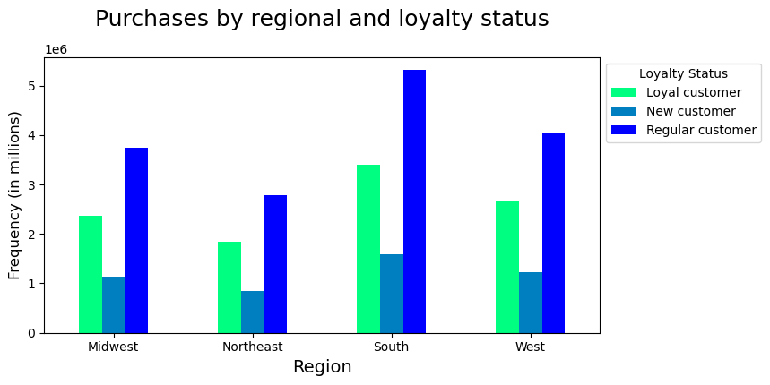

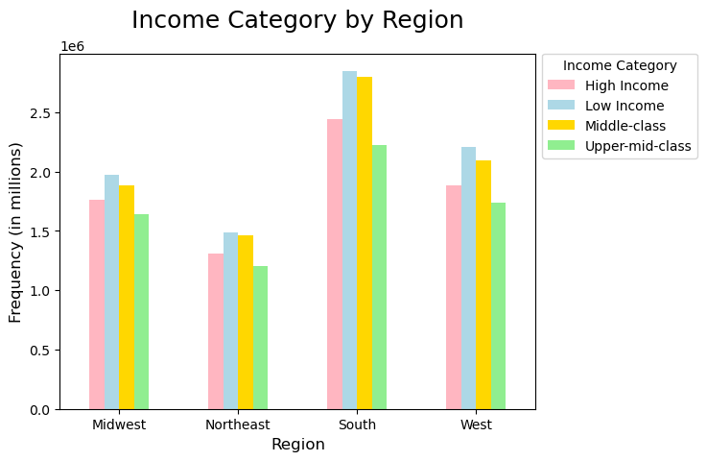

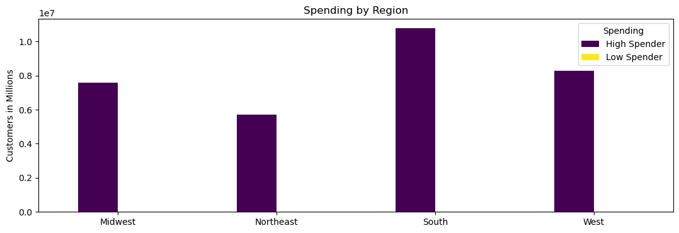

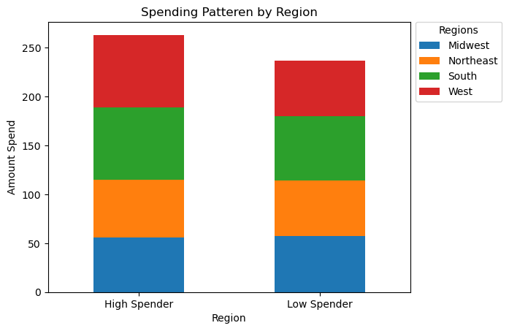

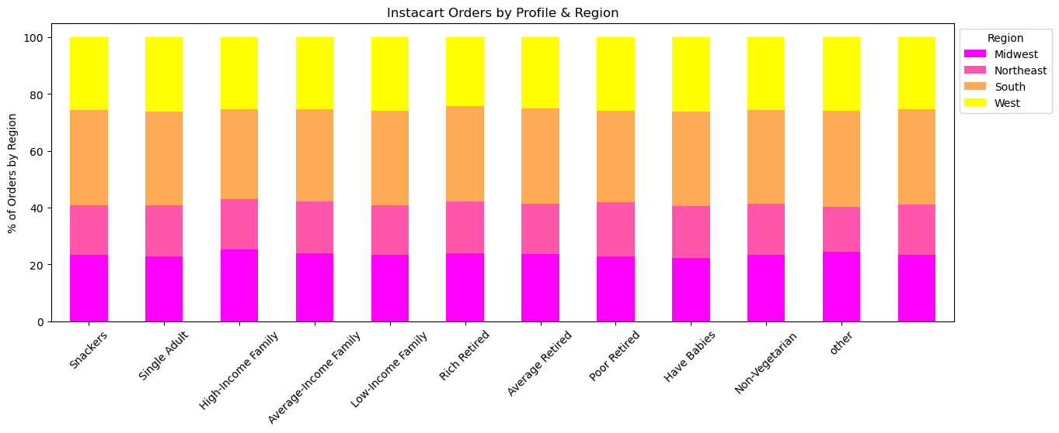

 |  |  |  | We can see that Instacart customers from the South make up the most amount of Instacart users as well as vegetarians, followed by customers from the Mid-west Southern customers tend to be Regular customers in terms of ordering-time habits, they also tend to fall into the Low-income class

Is there a connection between age and family status in terms of ordering habits?

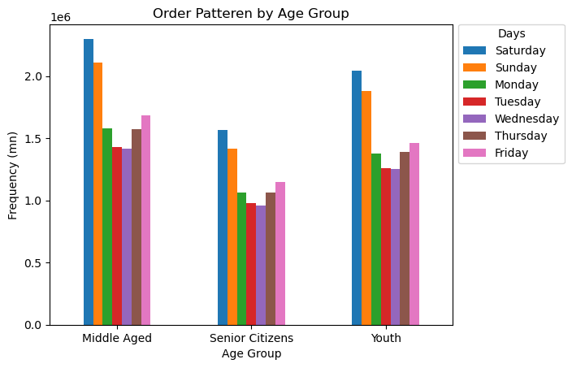
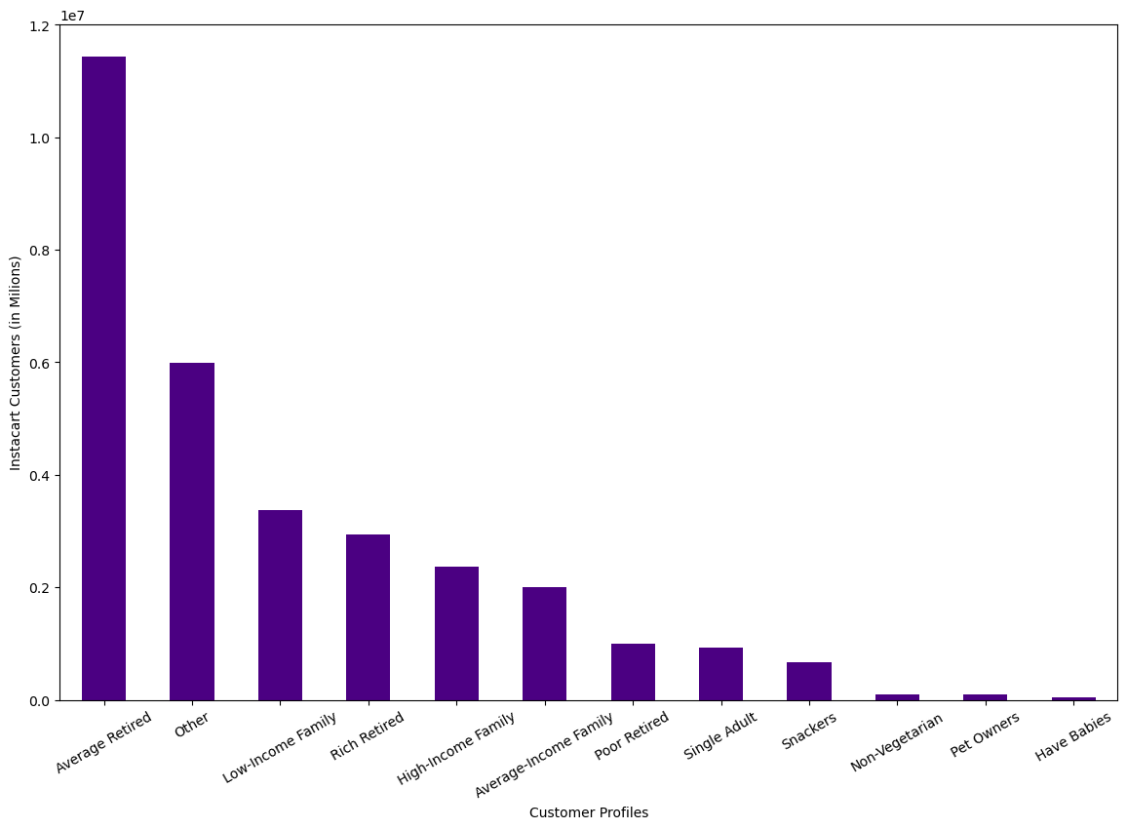

Average-retired customers are the most common instacart users
Middle-aged people tend to purchase the most items out of the 3 age groups
and tend to shop on the weekends

What different classifications does the demographic information suggest? Age? Income? Certain types of goods? Family status?

What differences can you find in ordering habits of different customer profiles? Consider the price of orders, the frequency of orders, the products customers are ordering, and anything else you can think of.

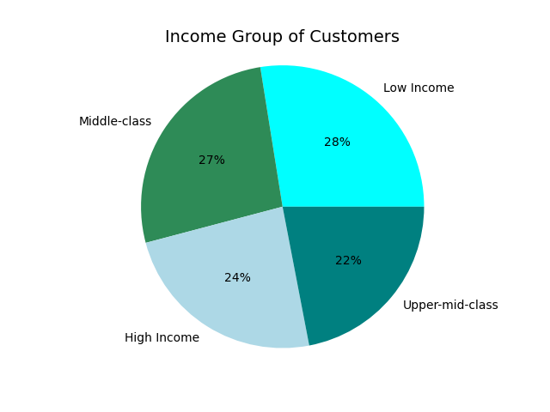

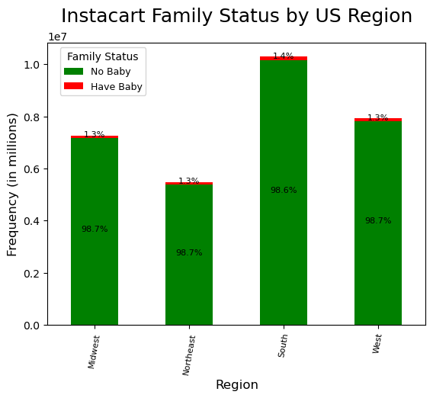

 |  |  |  |  |  | LESS THAN 2% OF THE TOTAL INSTACART CUSTOMERS HAVE BABIES

Income

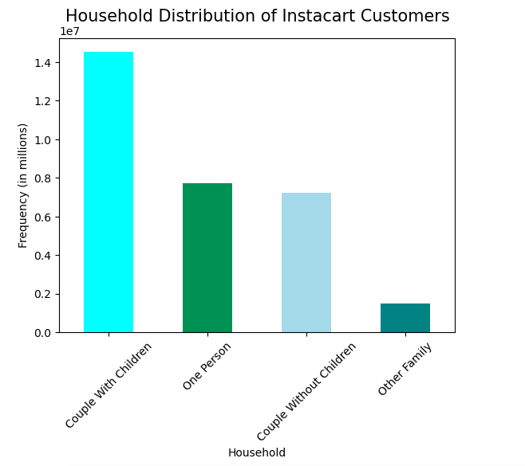
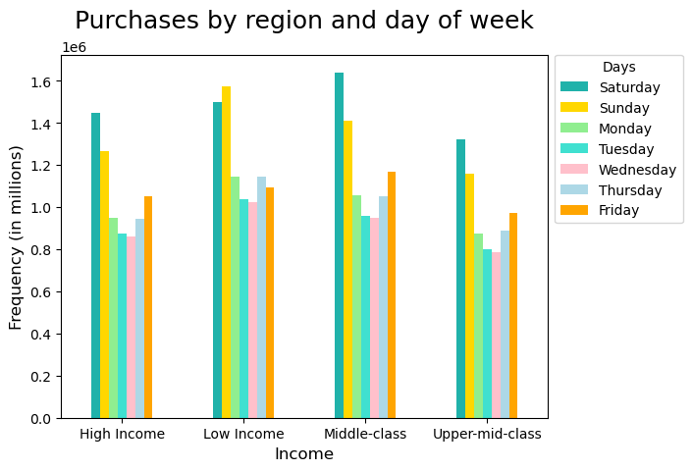

 |  | WE CAN SEE THAT MOST PURCAHSES ARE DONE ON SATURDAYS FOLLOWED BY SUNDAY AND THEN FRIDAY ACROSS ALL INCOME GROUPS

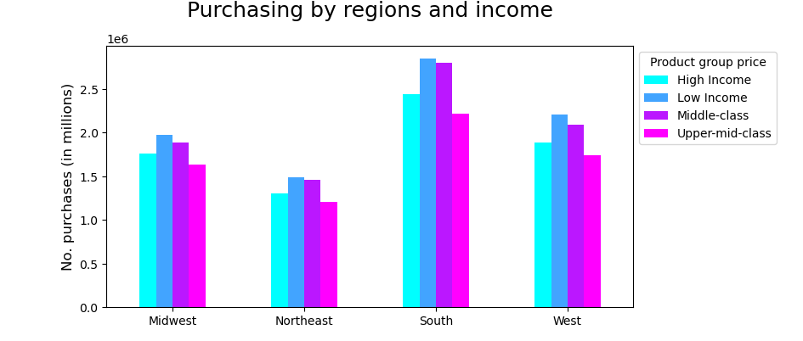

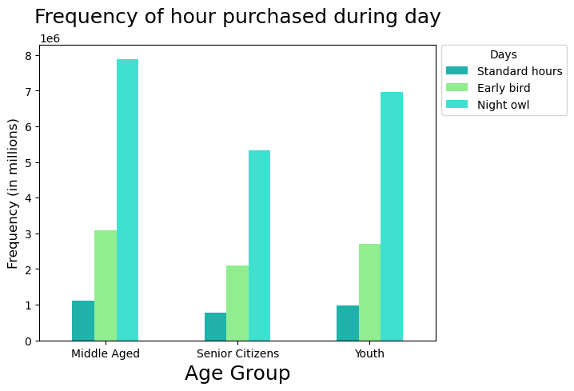

 |  |  |  |  | MOST INSTACART CUSTOMERS FALL IN THE LOW-INCOME CATEGORY AND THIS WE CAN SEE THAT ACROOS REGIONS, THESE CUSTOMERS HAVE PLACED THE MOST ORDERS.

7. Recommendations
 |  | Title page

Recommendations

QUESTIONS |  |  |  | ANSWERS

Q1. The sales team needs to know what the busiest days of the week and hours of the day are |  |  | The busiest days of the week are the weekends; Saturday, Sunday & Friday
(i.e., the days and times with the most orders) in order to schedule ads at times when there are fewer orders. |  |  | The busiest hour of the day for orders are between 10:00 am - 3:00 pm
They also want to know whether there are particular times of the day when people spend the most |  |  | Orders drop between 6:00 pm - 8:00 am
money, as this might inform the type of products they advertise at these times. |  |  | Weekday evenings, overnight & early morning slumps in orders *team should consider customer incentive*

Q2. Instacart has a lot of products with different price tags. Marketing and |  |  | High expenditure with low spending occurs in the early morning hours between 6:00 am - 8:00 am
sales want to use simpler price range groupings to help direct their efforts. |  |  | Low expenditure with high spending occurs during the daytime between 9:00 am - 5:00 pm

Q3. Are there certain types of products that are more popular than others? |  |  | Products were categorized into 3 groups: Low, Mid & High-range priced items.

 |  |  | The Meat & Seafood department make up the highest pecentage of high-range priced products (44% of high-range priced products)

Q4. The marketing and sales teams are particularly interested in the different types of |  |  | Loyal cutomers are indeed that, 99% of them frequently place Instacart orders
customers in their system and how their ordering behaviors differ. For example: |  |  | Whereas only 56% of Regular & New customers frequently place orders
● What’s the distribution among users in regards to their brand loyalty (i.e., how often do they return to Instacart?). |  |  | *Offering incentive like a coupon for their next order might encourage
● Are there differences in ordering habits based on a customer’s loyalty status? |  |  | Regular & New customers to order as frequently as Loyal customers*

Q5. ● Are there differences in ordering habits based on a customer’s region? |  |  | Southerners take the lead in all orders across the board, by spending, by departments |  | The South makes up the majority of Instacart customers followed by the Midwest

● Is there a connection between age and family status in terms of ordering habits? |  |  | Customers from the South tend to be regular shoppers & customers as far as loyalty |  | and ordering habits are concerned, however they tend to moslty fall into the
 |  |  | Low-income family category

Q6. What different classifications does the demographic information suggest? |  |  | Middle-aged customers tend to purchase the most items per order & shop mostly on weekends |  |  | However Average-retired customers are the most common IC users
 | Age? Income? Certain types of goods? Family status? |  | *Team should consider appealing to senior citizens, perhaps with early bird specials during the week*

Q7. What differences can you find in ordering habits of different customer profiles? Consider the |  |  | Although less than 2% of Instacart users have babies, Customers with children
price of orders, the frequency of orders, the products customers are ordering, |  |  | make up the majority of IC customers by household status
and anything else you can think of |  |  | *Team should consider offering better deals on baby products, the demand is
 |  |  | there since there are so many users with children, yet parents are not
 |  |  | ordering baby items through Instacart*

